Project Overview
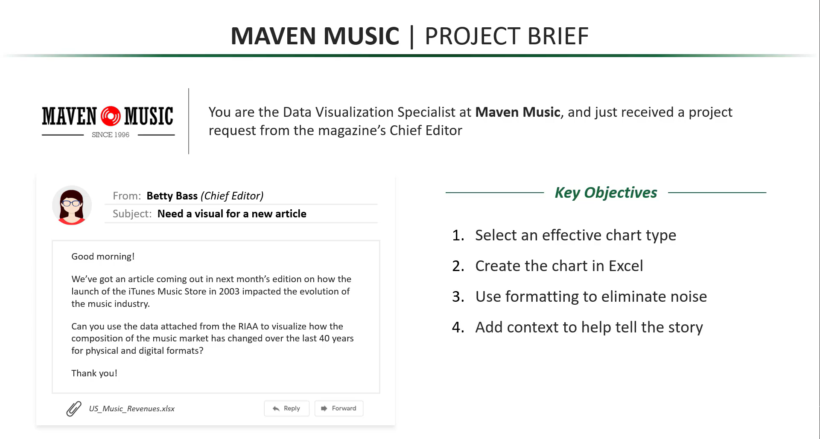

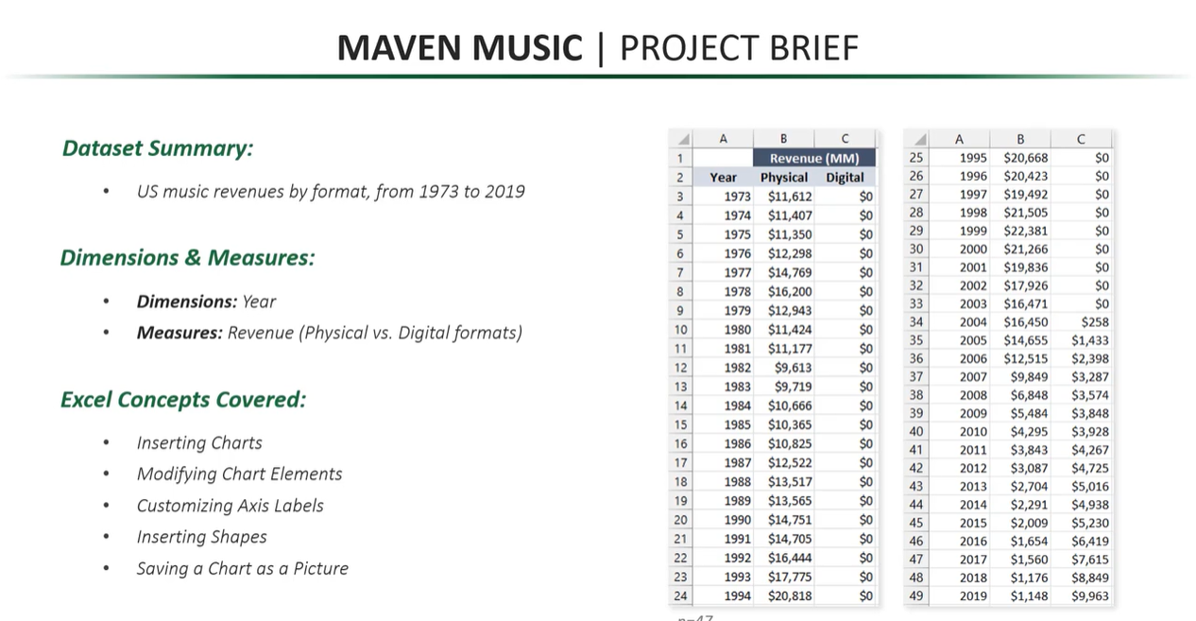

Data
Digital Formats dominate the music industr now but revenues are half of what they were in their peak
 | Revenue (MM)
Year | Physical | Digital
1973 | $11,612 | $0
 | $11,407 | $0
 | $11,350 | $0
 | $12,298 | $0
 | $14,769 | $0
 | $16,200 | $0
 | $12,943 | $0
1980 | $11,424 | $0
 | $11,177 | $0
 | $9,613 | $0
 | $9,719 | $0
 | $10,666 | $0
 | $10,365 | $0
 | $10,825 | $0
 | $12,522 | $0
 | $13,517 | $0
 | $13,565 | $0
1990 | $14,751 | $0
 | $14,705 | $0
 | $16,444 | $0
 | $17,775 | $0
 | $20,818 | $0
 | $20,668 | $0
 | $20,423 | $0
 | $19,492 | $0
 | $21,505 | $0
 | $22,381 | $0
2000 | $21,266 | $0
 | $19,836 | $0
 | $17,926 | $0
 | $16,471 | $0
 | $16,450 | $258
 | $14,655 | $1,433
 | $12,515 | $2,398
 | $9,849 | $3,287
 | $6,848 | $3,574
 | $5,484 | $3,848
2010 | $4,295 | $3,928
 | $3,843 | $4,267
 | $3,087 | $4,725
 | $2,704 | $5,016
 | $2,291 | $4,938
 | $2,009 | $5,230
 | $1,654 | $6,419
 | $1,560 | $7,615
 | $1,176 | $8,849
2019 | $1,148 | $9,963

 | $22,381

